Garage Door
Board Pin | Code pin number | GPIO | With Expander |  |  | With Expander
D0 |  | 16 |  | static const uint8_t D0 = 16; | GPIO16 could be tied for wake up from deep sleep!
D1 | 5 | 5 |  | static const uint8_t D1 = 5;
D2 | 4 | 4 |  | static const uint8_t D2 = 4;
D3 | 0 | 0 | Sound-Tx | static const uint8_t D3 = 0; | Affects startup behavior, pulled up (run mode or flash mode) | Sound-Tx
D4 | 2 | 2 | Sound-Rx | static const uint8_t D4 = 2; | Affects startup behavior, pulled up | Sound-Rx
D5 | 14 | 14 | SDA | static const uint8_t D5 = 14; |  | SDA
D6 | 12 | 12 | SCL | static const uint8_t D6 = 12; |  | SCL
D7 | 13 | 13 | INT | static const uint8_t D7 = 13; |  | INT
D8 | 15 | 15 |  | static const uint8_t D8 = 15; | Affects startup behavior, should be pulled down, could be used as output pin
 |  | 3 |  | static const uint8_t RX = 3;
 |  | 1 |  | static const uint8_t TX = 1;

 |  |  |  |  | Relay board input pins need to be low to activate. But hooking this up to D8 affects boot behavior!!!

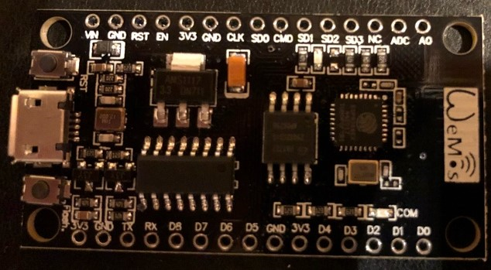
 | memory pin / nc | 6 | do not use this pin |  | Sound board drains too much on the 3V3. Needs external 5V source.
 | memory pin / nc | 7 | do not use this pin
 | memory pin / nc | 8 | do not use this pin | Board programming:
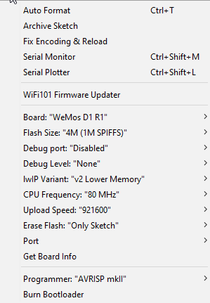
BUILTIN_LED | memory pin / nc | 9 | do not use this pin
 | memory pin / nc | 10 | do not use this pin
 | memory pin / nc | 11 | do not use this pin

RGB Clock
